Sheet1
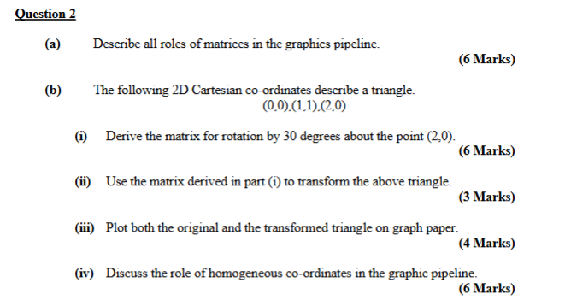

2d Homog points |  |  |  |  | 2D Homog Vertical
0 | 0 | 1 |  |  | 0 | 1 | 2
1 | 1 | 1 |  |  | 0 | 1 | 0
2 | 0 | 1 |  |  | 1 | 1 | 1

Step 1 | Move | (2,0) | to (0,0)

 | 1 | 0 | -2
 | 0 | 1 | 0 |  | =A
 | 0 | 0 | 1

Step 2 | Rotate by 30 |  | 0.5235987756 | rad

 | 0.86602540378 | -0.5 | 0
 | 0.5 | 0.86602540378 | 0 |  | =B
 | 0 | 0 | 1

Step 3 | Move (0,0) to (2,0)

 | 1 | 0 | 2
 | 0 | 1 | 0 |  | =C
 | 0 | 0 | 1

 | C*B*A |  | 0.86602540378 | -0.5 | 2
 |  | C*B = | 0.5 | 0.86602540378 | 0
 |  |  | 0 | 0 | 1

S = | C*B*A = |  | 0.86602540378 | -0.5 | 0.26794919243
 |  |  | 0.5 | 0.86602540378 | -1
 |  |  | 0 | 0 | 1

Ans | S * points |  | 0.26794919243 | 0.63397459622 | 2
 |  |  | -1 | 0.36602540378 | 0
 |  |  | 1 | 1 | 1

